Dot Issue Cases-API failure
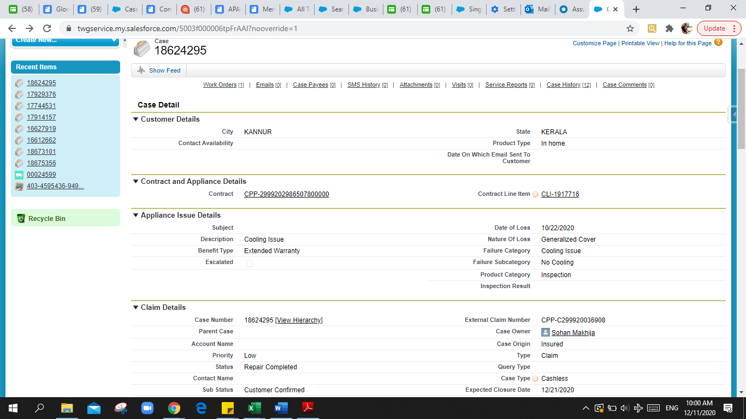
Needs to re-trigger it from API Log to create cases in Serv-Insur
ACKO | Status | Payload | SFDC Remark
8T1I3FZP | Retriggered Successfully at Serv-Insur
LUFMRPLQ | Retriggered Successfully at Serv-Insur
WIGAL2EU | Retriggered Successfully at Serv-Insur
OHFHKOLG | Case not Found at Serv-Insur
RZNTW7TM | Case not Found at Serv-Insur
T5LZOR0F | Case not Found at Serv-Insur
DRSI0XZ6 | Case not Found at Serv-Insur
BMV11KAG | Case not Found at Serv-Insur
IZXJ9V6Q | Case not Found at Serv-Insur
41LIKMFE | Case not Found at Serv-Insur
FOY5KFBB | Case not Found at Serv-Insur
KEV4FD63 | Customer First Name is not valid | {"policy_number":"405-3537443-8203523","start_date":"14/10/2020","end_date":"13/10/2021","credit_available":"4999","status":"Active","first_name":"KAUSHLENDRA SINGH(Vikash)","last_name":null,"email":"rockkpsingh2008@gmail.com","phone":"8433963030","pincode":"421503","address":"FLAT NO F-204, F-WING, UMIYA COMPLEX, MANJARLI, BADLAPUR WEST, Near Gauri Marriage Hall ","city":"Thane","state":"MAHARASHTRA","country":"INDIA","product_type":"TV","brand":"Saregama","model":null,"serial_number":null,"name":"Kevin 61 cm (24 Inches) HD Ready LED TV KN24832 (Black)","price":"4999","properties":null,"purchase_date":"11/08/2019","aiz_claim_number":"18710156","client_claim_number":"KEV4FD63","service_account_number":"IND041","case_type":"Cashless","loss_date":"15/11/2020","reserve_amount":"999.8","caller_type":"Insured","customer_phone":"8433963030","description":"Volume automatically Low and High,\r\nOut Of Control Volume","nature_of_loss":"Generalized Cover","problem_category":"Sound Issue","problem_sub_category":null,"priority":"Medium","claim_status":"New","claim_sub_status":"Repair Scheduled","claim_creation_date":"16/11/2020 04:59:22","notes":null,"asset_care_number":null,"earliest_start_permitted":"17/11/2020 09:13:00","due_date":"18/11/2020 09:13:00","expected_datetime_closure":"28/11/2020 00:00:00","repirer_schedule_time_slot":"","repair_type":"","repeat_repair":"No","client_code":"ACK","benefit_type":"Extended Warranty"} | Still i believe there is some validation (for not accepting special characters) at your system which is not allowing KAUSHLENDRA SINGH(Vikash) as displayed in the error. Kindly remove all the validations as we are just forwarding you what we are receiving from client system.
KTWDE7IL | Product name is empty | {"policy_number":"404-7890808-9430725","start_date":"29/02/2020","end_date":"28/02/2021","credit_available":"11240","status":"Active","first_name":"Akanksha Maglani","last_name":null,"email":"nehamaglani2002@gmail.com","phone":"9643541983","pincode":"560042","address":"Flat no. 102. The Orchid Apartments, 1st floor,No. 11 Hermit colony, st. John's road, Ulsoor,BENGALURU-560042,KARNATAKA,IN ","city":"Bangalore","state":"KARNATAKA","country":"INDIA","product_type":"Refrigerator","brand":"Whirlpool","model":null,"serial_number":null,"name":null,"price":"11240","properties":null,"purchase_date":"01/03/2019","aiz_claim_number":"18746557","client_claim_number":"KTWDE7IL","service_account_number":"IND082","case_type":"Cashless","loss_date":"01/11/2020","reserve_amount":"2248","caller_type":"Insured","customer_phone":"9643541983","description":"Freezer door broken","nature_of_loss":"Generalized Cover","problem_category":"Freezing Issue","problem_sub_category":null,"priority":"High","claim_status":"New","claim_sub_status":"Repair Scheduled","claim_creation_date":"21/11/2020 08:12:56","notes":null,"asset_care_number":null,"earliest_start_permitted":"23/11/2020 09:12:00","due_date":"24/11/2020 09:12:00","expected_datetime_closure":"02/12/2020 00:00:00","repirer_schedule_time_slot":"","repair_type":"","repeat_repair":"No","client_code":"ACK","benefit_type":"Extended Warranty"} | We might not have received the product name in the policy data for this. Please remove this validation as we are just forwarding you the data which is provided by client.

CPP | Status | Payload | SFDC Remark
C299920035536 | Retriggered Successfully at Serv-Insur
C299920037553 | Retriggered Successfully at Serv-Insur
C299920040090 | Retriggered Successfully at Serv-Insur
C299920035621 | Retriggered Successfully at Serv-Insur
C299920038539 | Retriggered Successfully at Serv-Insur
C299920039267 | Retriggered Successfully at Serv-Insur
C299920040565 | Retriggered Successfully at Serv-Insur
C299920039484 | Retriggered Successfully at Serv-Insur
C299920039065 | Retriggered Successfully at Serv-Insur
C299920036760 | Retriggered Successfully at Serv-Insur
C299920039486 | Retriggered Successfully at Serv-Insur
C299920036908 | "service_account_number": "Service Account Number can not be empty." | {"policy_number":"CPP-2999202986507800000","start_date":"25/08/2020","end_date":"24/08/2022","credit_available":"33900","status":"Active","first_name":"SAMEERA","last_name":"MK","email":"mk171@gmail.com","phone":"9995123171","pincode":"670302","address":"MATTOOLMATTOOLNR,SALAFI MASJID MK HOUSE","city":"KANNUR","state":"KERALA","country":"India","product_type":"Air Conditioner","brand":"LG ELECTRONICS INDIA PVT.LTD","model":"KS-Q18ENXA","serial_number":"905NARV060798","name":"AIR CONDITIONER","price":"33900","properties":null,"purchase_date":"25/08/2019","aiz_claim_number":"18624295","client_claim_number":"CPP-C299920036908","service_account_number":null,"case_type":"Cashless","loss_date":"22/10/2020","reserve_amount":"7000","caller_type":"Insured","customer_phone":"9995123171","description":"Cooling Issue","nature_of_loss":"Generalized Cover","problem_category":"Cooling Issue","problem_sub_category":"No Cooling","priority":"Low","claim_status":"New","claim_sub_status":"Repair Scheduled","claim_creation_date":"30/10/2020","notes":null,"asset_care_number":"AC2892089","earliest_start_permitted":"31/10/2020","due_date":"02/11/2020","expected_datetime_closure":null,"repirer_schedule_time_slot":"","repair_type":"","repeat_repair":"No","client_code":"CPP","benefit_type":"Extended Warranty"} | Servicer account number is 2360 Account Name ASHWINI ELECTRONICS Status is repair completed-customer confirmed anyways so please do not reupload this record now.

password alert messages
Current alert message | New msg content | Status

Please enter correct Username and Password. Total 3 attempts is pending to block your account. | Please enter correct username and password. Your account will be blocked after 3 consecutive attempt. | Done
Please enter correct Username and Password. Total 2 attempts is pending to block your account. | Please enter correct username and password. Your account will be blocked after 2 consecutive attempt. | Done
Please enter correct Username and Password. Total 1 attempts is pending to block your account. | Please enter correct username and password. Your account will be blocked after 1 attempt. | Done
Please enter correct Username and Password. Total 0 attempts is pending to block your account. | Please enter correct Username and Password. This is your final attempt. | Done
Your account is blocked for 30 minutes, please try after 29:40 (mm:ss) minutes. | Your account has been blocked.Please try after 29:40 (mm:ss) minutes. | Done
Password will not exceed thirty-two (32) characters. | Your Password must be equal to or less than 32 characters | Done
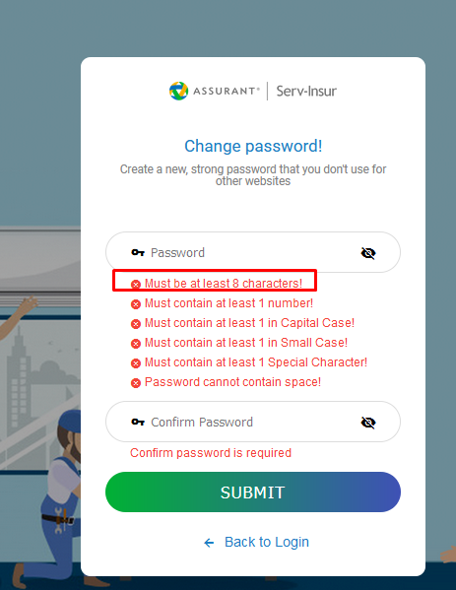
d) User account owners will be required to change passwords at minimum, every ninety (90) days. | You need to change the password within 90 days. | Done
e) All STANDARD access accounts will NOT be permitted the re-use of three (3 previous passwords. | Your new Password cannot be last 3 previous passwords. | Done

Current validation text | New validation text

Must be at least 8 characters! | Password length must be between 8-32 Character
Must contain at least 1 number! | Password must contain at least 1 number
Must contain at least 1 in Capital Case | Password must contain at least 1 in Capital letter
Must contain at least 1 in Small Case! | Password must contain at least 1 in Small letter
Must contain at least 1 Special Character! | Passowrd must contain at least 1 Special Character
Should not contain space! | Password should not contain space!
you cannot set your previous password | Your new Password cannot be last 3 previous passwords | Already mentioned in above list
 | New Password will require a minimum of one 1 character change
 | Your new Password cannot be equal to last 3 passwords

